2017 Weekly Calendar
2017 Weekly Calendar - Starts with Monday |  |  |  |  |  |  |  | Courtesy of WinCalendar
This Excel calendar is blank & designed for easy use as a planner.
WinCalendar | 2016-12-26 | 2016-12-27 | 2016-12-28 | 2016-12-29 | 2016-12-30 | 2016-12-31 | 2017-01-01
42705 | 2016-12-26 | 2016-12-27 | 2016-12-28 | 2016-12-29 | 2016-12-30 | 2016-12-31 | 2017-01-01 |  |  |  | Sam Wong on NGA | Sam would like off swings to co-incide with university holidays
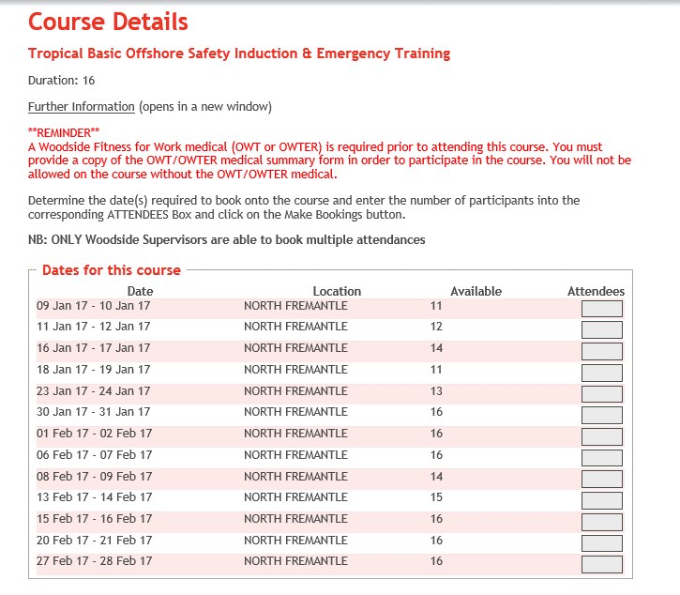
 |  |  |  |  |  |  |  |  |  |  | Josh Goyder on NGA
42736 | 2017-01-02 | 2017-01-03 | 2017-01-04 | 2017-01-05 | 2017-01-06 | 2017-01-07 | 2017-01-08

 | 2017-01-09 | 2017-01-10 | 2017-01-11 | 2017-01-12 | 2017-01-13 | 2017-01-14 | 2017-01-15
 |  |  |  |  |  |  |  |  |  | Proposed TBIOSET
 | 2017-01-16 | 2017-01-17 | 2017-01-18 | 2017-01-19 | 2017-01-20 | 2017-01-21 | 2017-01-22
 |  |  |  |  |  |  |  |  |  | Sam Wong on leave - out of Australia
 | 2017-01-23 | 2017-01-24 | 2017-01-25 | 2017-01-26 | 2017-01-27 | 2017-01-28 | 2017-01-29

 | 2017-01-30 | 2017-01-31 | 2017-02-01 | 2017-02-02 | 2017-02-03 | 2017-02-04 | 2017-02-05

42767 | 2017-02-06 | 2017-02-07 | 2017-02-08 | 2017-02-09 | 2017-02-10 | 2017-02-11 | 2017-02-12
 |  |  |  |  |  |  |  |  |  | Proposed CSTP
 | 2017-02-13 | 2017-02-14 | 2017-02-15 | 2017-02-16 | 2017-02-17 | 2017-02-18 | 2017-02-19
 |  |  | Role handover date |  |  |  |  |  |  | KGP Lab Training Dates
 | 2017-02-20 | 2017-02-21 | 2017-02-22 | 2017-02-23 | 2017-02-24 | 2017-02-25 | 2017-02-26

 | 2017-02-27 | 2017-02-28 | 2017-03-01 | 2017-03-02 | 2017-03-03 | 2017-03-04 | 2017-03-05
 | Sam's shadowing shift
42795 | 2017-03-06 | 2017-03-07 | 2017-03-08 | 2017-03-09 | 2017-03-10 | 2017-03-11 | 2017-03-12

 | 2017-03-13 | 2017-03-14 | 2017-03-15 | 2017-03-16 | 2017-03-17 | 2017-03-18 | 2017-03-19
 | Josh's shadowing shift
 | 2017-03-20 | 2017-03-21 | 2017-03-22 | 2017-03-23 | 2017-03-24 | 2017-03-25 | 2017-03-26

 | 2017-03-27 | 2017-03-28 | 2017-03-29 | 2017-03-30 | 2017-03-31 | 2017-04-01 | 2017-04-02
 | Sam's first shift
42826 | 2017-04-03 | 2017-04-04 | 2017-04-05 | 2017-04-06 | 2017-04-07 | 2017-04-08 | 2017-04-09

 | 2017-04-10 | 2017-04-11 | 2017-04-12 | 2017-04-13 | 2017-04-14 | 2017-04-15 | 2017-04-16
 | Josh's first shift |  |  |  |  |  |  |  | Term 1 Holidays
 | 2017-04-17 | 2017-04-18 | 2017-04-19 | 2017-04-20 | 2017-04-21 | 2017-04-22 | 2017-04-23 |  | Universities Australia Common Vacation

 | 2017-04-24 | 2017-04-25 | 2017-04-26 | 2017-04-27 | 2017-04-28 | 2017-04-29 | 2017-04-30

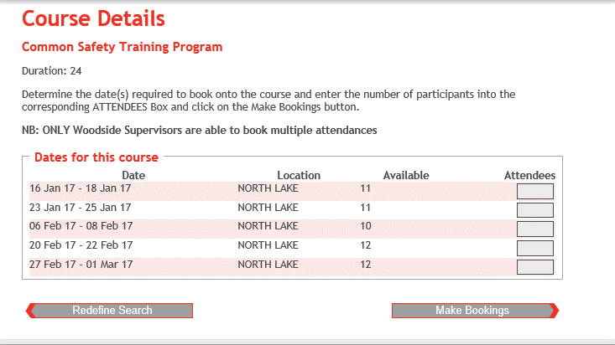
42856 | 2017-05-01 | 2017-05-02 | 2017-05-03 | 2017-05-04 | 2017-05-05 | 2017-05-06 | 2017-05-07

 | 2017-05-08 | 2017-05-09 | 2017-05-10 | 2017-05-11 | 2017-05-12 | 2017-05-13 | 2017-05-14

 | 2017-05-15 | 2017-05-16 | 2017-05-17 | 2017-05-18 | 2017-05-19 | 2017-05-20 | 2017-05-21

 | 2017-05-22 | 2017-05-23 | 2017-05-24 | 2017-05-25 | 2017-05-26 | 2017-05-27 | 2017-05-28
 |  |  |  |  |  | HKU Holidays Start
 | 2017-05-29 | 2017-05-30 | 2017-05-31 | 2017-06-01 | 2017-06-02 | 2017-06-03 | 2017-06-04

42887 | 2017-06-05 | 2017-06-06 | 2017-06-07 | 2017-06-08 | 2017-06-09 | 2017-06-10 | 2017-06-11

 | 2017-06-12 | 2017-06-13 | 2017-06-14 | 2017-06-15 | 2017-06-16 | 2017-06-17 | 2017-06-18

 | 2017-06-19 | 2017-06-20 | 2017-06-21 | 2017-06-22 | 2017-06-23 | 2017-06-24 | 2017-06-25

 | 2017-06-26 | 2017-06-27 | 2017-06-28 | 2017-06-29 | 2017-06-30 | 2017-07-01 | 2017-07-02
 |  |  |  |  |  |  |  |  | UWA Holidays
42917 | 2017-07-03 | 2017-07-04 | 2017-07-05 | 2017-07-06 | 2017-07-07 | 2017-07-08 | 2017-07-09 |  | Universities Australia Common Vacation
 |  |  |  |  |  |  |  |  | Term 2 Holidays
 | 2017-07-10 | 2017-07-11 | 2017-07-12 | 2017-07-13 | 2017-07-14 | 2017-07-15 | 2017-07-16 |  | UWA/Curtin Holidays

 | 2017-07-17 | 2017-07-18 | 2017-07-19 | 2017-07-20 | 2017-07-21 | 2017-07-22 | 2017-07-23 |  | UWA/Curtin Holidays

 | 2017-07-24 | 2017-07-25 | 2017-07-26 | 2017-07-27 | 2017-07-28 | 2017-07-29 | 2017-07-30 |  | UWA Holidays Only

 | 2017-07-31 | 2017-08-01 | 2017-08-02 | 2017-08-03 | 2017-08-04 | 2017-08-05 | 2017-08-06

42948 | 2017-08-07 | 2017-08-08 | 2017-08-09 | 2017-08-10 | 2017-08-11 | 2017-08-12 | 2017-08-13

 | 2017-08-14 | 2017-08-15 | 2017-08-16 | 2017-08-17 | 2017-08-18 | 2017-08-19 | 2017-08-20

 | 2017-08-21 | 2017-08-22 | 2017-08-23 | 2017-08-24 | 2017-08-25 | 2017-08-26 | 2017-08-27

 | 2017-08-28 | 2017-08-29 | 2017-08-30 | 2017-08-31 | 2017-09-01 | 2017-09-02 | 2017-09-03
 |  |  |  |  | HKU Holidays End
42979 | 2017-09-04 | 2017-09-05 | 2017-09-06 | 2017-09-07 | 2017-09-08 | 2017-09-09 | 2017-09-10

 | 2017-09-11 | 2017-09-12 | 2017-09-13 | 2017-09-14 | 2017-09-15 | 2017-09-16 | 2017-09-17

 | 2017-09-18 | 2017-09-19 | 2017-09-20 | 2017-09-21 | 2017-09-22 | 2017-09-23 | 2017-09-24

 | 2017-09-25 | 2017-09-26 | 2017-09-27 | 2017-09-28 | 2017-09-29 | 2017-09-30 | 2017-10-01 |  | Universities Australia Common Vacation
 |  |  |  |  |  |  |  |  | Term 3 Holidays
43009 | 2017-10-02 | 2017-10-03 | 2017-10-04 | 2017-10-05 | 2017-10-06 | 2017-10-07 | 2017-10-08

 | 2017-10-09 | 2017-10-10 | 2017-10-11 | 2017-10-12 | 2017-10-13 | 2017-10-14 | 2017-10-15

 | 2017-10-16 | 2017-10-17 | 2017-10-18 | 2017-10-19 | 2017-10-20 | 2017-10-21 | 2017-10-22

 | 2017-10-23 | 2017-10-24 | 2017-10-25 | 2017-10-26 | 2017-10-27 | 2017-10-28 | 2017-10-29

 | 2017-10-30 | 2017-10-31 | 2017-11-01 | 2017-11-02 | 2017-11-03 | 2017-11-04 | 2017-11-05

43040 | 2017-11-06 | 2017-11-07 | 2017-11-08 | 2017-11-09 | 2017-11-10 | 2017-11-11 | 2017-11-12

 | 2017-11-13 | 2017-11-14 | 2017-11-15 | 2017-11-16 | 2017-11-17 | 2017-11-18 | 2017-11-19

 | 2017-11-20 | 2017-11-21 | 2017-11-22 | 2017-11-23 | 2017-11-24 | 2017-11-25 | 2017-11-26

 | 2017-11-27 | 2017-11-28 | 2017-11-29 | 2017-11-30 | 2017-12-01 | 2017-12-02 | 2017-12-03

43070 | 2017-12-04 | 2017-12-05 | 2017-12-06 | 2017-12-07 | 2017-12-08 | 2017-12-09 | 2017-12-10

 | 2017-12-11 | 2017-12-12 | 2017-12-13 | 2017-12-14 | 2017-12-15 | 2017-12-16 | 2017-12-17

 | 2017-12-18 | 2017-12-19 | 2017-12-20 | 2017-12-21 | 2017-12-22 | 2017-12-23 | 2017-12-24

 | 2017-12-25 | 2017-12-26 | 2017-12-27 | 2017-12-28 | 2017-12-29 | 2017-12-30 | 2017-12-31 |  | Josh would like to have Christmas off

WinCalendar | 2018-01-01 | 2018-01-02 | 2018-01-03 | 2018-01-04 | 2018-01-05 | 2018-01-06 | 2018-01-07
43101 | 2018-01-01 | 2018-01-02 | 2018-01-03 | 2018-01-04 | 2018-01-05 | 2018-01-06 | 2018-01-07

 | 2018-01-08 | 2018-01-09 | 2018-01-10 | 2018-01-11 | 2018-01-12 | 2018-01-13 | 2018-01-14

 | 2018-01-15 | 2018-01-16 | 2018-01-17 | 2018-01-18 | 2018-01-19 | 2018-01-20 | 2018-01-21

 | 2018-01-22 | 2018-01-23 | 2018-01-24 | 2018-01-25 | 2018-01-26 | 2018-01-27 | 2018-01-28

 | 2018-01-29 | 2018-01-30 | 2018-01-31 | 2018-02-01 | 2018-02-02 | 2018-02-03 | 2018-02-04

43132 | 2018-02-05 | 2018-02-06 | 2018-02-07 | 2018-02-08 | 2018-02-09 | 2018-02-10 | 2018-02-11

 | 2018-02-12 | 2018-02-13 | 2018-02-14 | 2018-02-15 | 2018-02-16 | 2018-02-17 | 2018-02-18 |  | 2016-02-16 | CNY
 |  |  |  |  |  |  |  |  | Sam would like 16/2 off for Chinese New Year
 | 2018-02-19 | 2018-02-20 | 2018-02-21 | 2018-02-22 | 2018-02-23 | 2018-02-24 | 2018-02-25

 | 2018-02-26 | 2018-02-27 | 2018-02-28 | 2018-03-01 | 2018-03-02 | 2018-03-03 | 2018-03-04

43160 | 2018-03-05 | 2018-03-06 | 2018-03-07 | 2018-03-08 | 2018-03-09 | 2018-03-10 | 2018-03-11

 | 2018-03-12 | 2018-03-13 | 2018-03-14 | 2018-03-15 | 2018-03-16 | 2018-03-17 | 2018-03-18

 | 2018-03-19 | 2018-03-20 | 2018-03-21 | 2018-03-22 | 2018-03-23 | 2018-03-24 | 2018-03-25

 | 2018-03-26 | 2018-03-27 | 2018-03-28 | 2018-03-29 | 2018-03-30 | 2018-03-31 | 2018-04-01

43191 | 2018-04-02 | 2018-04-03 | 2018-04-04 | 2018-04-05 | 2018-04-06 | 2018-04-07 | 2018-04-08

 | 2018-04-09 | 2018-04-10 | 2018-04-11 | 2018-04-12 | 2018-04-13 | 2018-04-14 | 2018-04-15

 | 2018-04-16 | 2018-04-17 | 2018-04-18 | 2018-04-19 | 2018-04-20 | 2018-04-21 | 2018-04-22

 | 2018-04-23 | 2018-04-24 | 2018-04-25 | 2018-04-26 | 2018-04-27 | 2018-04-28 | 2018-04-29

 | 2018-04-30 | 2018-05-01 | 2018-05-02 | 2018-05-03 | 2018-05-04 | 2018-05-05 | 2018-05-06

43221 | 2018-05-07 | 2018-05-08 | 2018-05-09 | 2018-05-10 | 2018-05-11 | 2018-05-12 | 2018-05-13

 | 2018-05-14 | 2018-05-15 | 2018-05-16 | 2018-05-17 | 2018-05-18 | 2018-05-19 | 2018-05-20

 | 2018-05-21 | 2018-05-22 | 2018-05-23 | 2018-05-24 | 2018-05-25 | 2018-05-26 | 2018-05-27

 | 2018-05-28 | 2018-05-29 | 2018-05-30 | 2018-05-31 | 2018-06-01 | 2018-06-02 | 2018-06-03

43252 | 2018-06-04 | 2018-06-05 | 2018-06-06 | 2018-06-07 | 2018-06-08 | 2018-06-09 | 2018-06-10

 | 2018-06-11 | 2018-06-12 | 2018-06-13 | 2018-06-14 | 2018-06-15 | 2018-06-16 | 2018-06-17

 | 2018-06-18 | 2018-06-19 | 2018-06-20 | 2018-06-21 | 2018-06-22 | 2018-06-23 | 2018-06-24

 | 2018-06-25 | 2018-06-26 | 2018-06-27 | 2018-06-28 | 2018-06-29 | 2018-06-30 | 2018-07-01

43282 | 2018-07-02 | 2018-07-03 | 2018-07-04 | 2018-07-05 | 2018-07-06 | 2018-07-07 | 2018-07-08

 | 2018-07-09 | 2018-07-10 | 2018-07-11 | 2018-07-12 | 2018-07-13 | 2018-07-14 | 2018-07-15

 | 2018-07-16 | 2018-07-17 | 2018-07-18 | 2018-07-19 | 2018-07-20 | 2018-07-21 | 2018-07-22

 | 2018-07-23 | 2018-07-24 | 2018-07-25 | 2018-07-26 | 2018-07-27 | 2018-07-28 | 2018-07-29

 | 2018-07-30 | 2018-07-31 | 2018-08-01 | 2018-08-02 | 2018-08-03 | 2018-08-04 | 2018-08-05

43313 | 2018-08-06 | 2018-08-07 | 2018-08-08 | 2018-08-09 | 2018-08-10 | 2018-08-11 | 2018-08-12

 | 2018-08-13 | 2018-08-14 | 2018-08-15 | 2018-08-16 | 2018-08-17 | 2018-08-18 | 2018-08-19

 | 2018-08-20 | 2018-08-21 | 2018-08-22 | 2018-08-23 | 2018-08-24 | 2018-08-25 | 2018-08-26

 | 2018-08-27 | 2018-08-28 | 2018-08-29 | 2018-08-30 | 2018-08-31 | 2018-09-01 | 2018-09-02

43344 | 2018-09-03 | 2018-09-04 | 2018-09-05 | 2018-09-06 | 2018-09-07 | 2018-09-08 | 2018-09-09

 | 2018-09-10 | 2018-09-11 | 2018-09-12 | 2018-09-13 | 2018-09-14 | 2018-09-15 | 2018-09-16

 | 2018-09-17 | 2018-09-18 | 2018-09-19 | 2018-09-20 | 2018-09-21 | 2018-09-22 | 2018-09-23

 | 2018-09-24 | 2018-09-25 | 2018-09-26 | 2018-09-27 | 2018-09-28 | 2018-09-29 | 2018-09-30

43374 | 2018-10-01 | 2018-10-02 | 2018-10-03 | 2018-10-04 | 2018-10-05 | 2018-10-06 | 2018-10-07

 | 2018-10-08 | 2018-10-09 | 2018-10-10 | 2018-10-11 | 2018-10-12 | 2018-10-13 | 2018-10-14

 | 2018-10-15 | 2018-10-16 | 2018-10-17 | 2018-10-18 | 2018-10-19 | 2018-10-20 | 2018-10-21

 | 2018-10-22 | 2018-10-23 | 2018-10-24 | 2018-10-25 | 2018-10-26 | 2018-10-27 | 2018-10-28

 | 2018-10-29 | 2018-10-30 | 2018-10-31 | 2018-11-01 | 2018-11-02 | 2018-11-03 | 2018-11-04

43405 | 2018-11-05 | 2018-11-06 | 2018-11-07 | 2018-11-08 | 2018-11-09 | 2018-11-10 | 2018-11-11

 | 2018-11-12 | 2018-11-13 | 2018-11-14 | 2018-11-15 | 2018-11-16 | 2018-11-17 | 2018-11-18

 | 2018-11-19 | 2018-11-20 | 2018-11-21 | 2018-11-22 | 2018-11-23 | 2018-11-24 | 2018-11-25

 | 2018-11-26 | 2018-11-27 | 2018-11-28 | 2018-11-29 | 2018-11-30 | 2018-12-01 | 2018-12-02

43435 | 2018-12-03 | 2018-12-04 | 2018-12-05 | 2018-12-06 | 2018-12-07 | 2018-12-08 | 2018-12-09

 | 2018-12-10 | 2018-12-11 | 2018-12-12 | 2018-12-13 | 2018-12-14 | 2018-12-15 | 2018-12-16

 | 2018-12-17 | 2018-12-18 | 2018-12-19 | 2018-12-20 | 2018-12-21 | 2018-12-22 | 2018-12-23

 | 2018-12-24 | 2018-12-25 | 2018-12-26 | 2018-12-27 | 2018-12-28 | 2018-12-29 | 2018-12-30

 | 2018-12-31 | 2019-01-01 | 2019-01-02 | 2019-01-03 | 2019-01-04 | 2019-01-05 | 2019-01-06

